Sheet1
Test case Name | Test case Description | Steps | Expected Result | Actual Result | Evidence -1
Order review | Test whether the order review shows up or not before order confirmation | 1)click on any base product to see the PDP | Order review should be displayed | Order review is displayed | 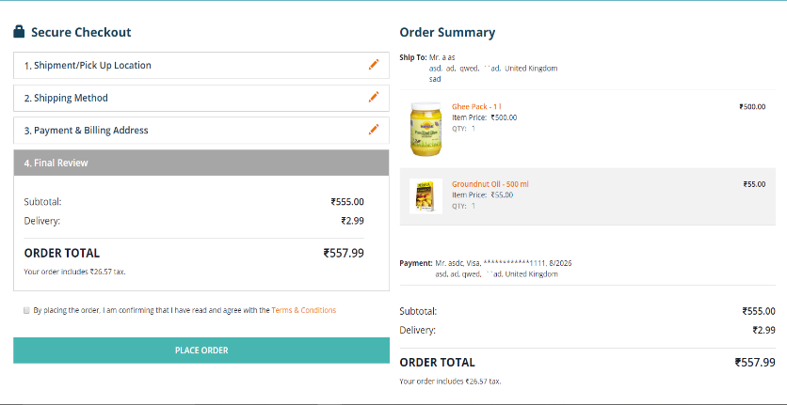
 |  | 2)select the variant product to buy on the PDP
 |  | 3)Click on the Add to Cart button & then on the Checkout button in the pop up window
 |  | 4)Click on the Checkout button & enter all the necessary details required to place an order
 |  | 5)Click on the NEXT button on the Payment & Billing Address section on the Secure Checkout page to view the Final order review
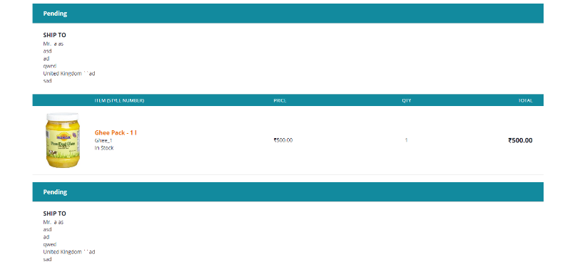
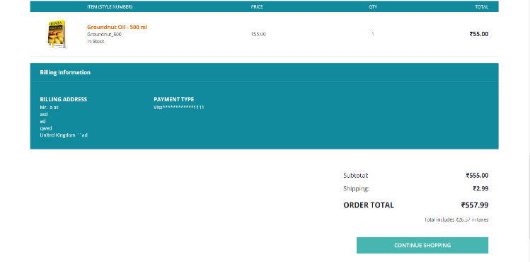
Order Confirmation | Check out the order confirmation page, after placing the order | 1)After checking the Terms & Conditions checkbox, click on the PLACE ORDER button finally to place an order | Order recipt summary should be displayed | Order receipt summary is getting displayed | 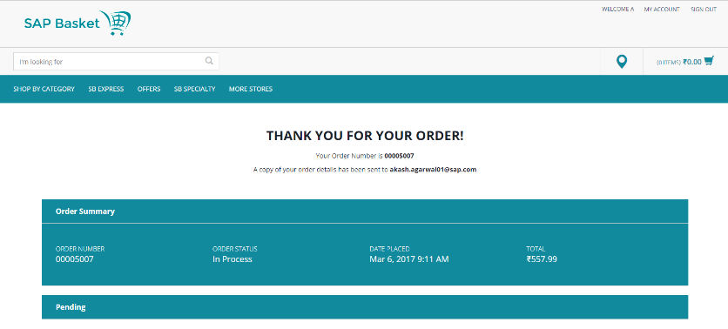
 |  | 2)It gets redirected to Order Confirmation page after that

